Blueprint
Topic | Worksheet Name | Dashboard Name | Interactivity | Completion | Issues

What ARE Green House Gases?

How much CO2 has been produced to date, around the world? | Cumulative CO2 Emissions Global (Map) | Cumulative CO2 Emissions Globally | If you click on the circles on the map eg: click the largest resd circles(highest emission),we can see the emissions through the years in the Annual CO2 Emissions graph.
 | Annual Co2 Emissions (line graph time series) |  | This can show the Increase or decrese in CO2 emissions through the years. Concentrate on the United States since that is our question region. Notice the graph is slowly decreasing, which means that our total CO2 emission is slowly decreasing with a slight peak seen in between.
 |  |  | Create a filter for the years in Annual CO2 Emissions so you can dig deeper, by changing the decade/years you want to concentrate on. |  | Time column dtype is object. Asked Shilpa to change it
 |  |  | Visualizing percentage change per year |  | Have to figure out how to do this

How much CO2 does the average person emit? | Emissions per Capita-Global (Map) | Cumulative Emissions per Capita | The green circles show the per capita emissions- darker the green (and bigger the circle, more the emission per capita). You can filter this out by year, in case you want to concentrate on a particular year/decade
 | Emissions per Capita- Line graph (line graph time series) |  | When you click on a circle, the corresponding line graph will be highlighted, so you can see the emission per capita through the years. There is also a year filter here if you want to concentrate on a specific decade/years
 |  |  | Search bar for maps? |  | Need to figure out how to do this

How does the Urban Population affect CO2 emissions?

How does GDP influence CO2 emission? | GDP per Capita | GDP v CO2 Emissions | There are two time series line graphs-- one for the Total CO2 emissions and and another for the GDP per capita. If you click one, you can see the corresponding value for that country on the other. |  | Check this again. There doesn't seem to be a relation between the two. (Using static data from Phase 1 here. Waiting for correct data)
 | Total CO2 Emissions

How does Energy Consumption per Capita affect CO2 emissions? | Energy Consumption per Capita | Energy Consumption per Capita v CO2 Emissions | The dark blue circles on the map show the highest energy use per capita and the palest show least. If you click on one, you can see the corresponding CO2 emission line graph for that country, per year. (Or vice versa) |  | Check this again. There doesn't seem to be a relation between the two. (Using static data from Phase 1 here. Waiting for correct data)
 | Total CO2 Emissions |  | We can also filter them by year so we can concentrate on specific years/decades

How much GHG does the average person emit? Where do emissions come from? | GHG per Capita (if present) OR create a calculated field [GHG Emissions]/[population] | GHG per Capita | Map showing the GHG emissions per country. Since there is too much data, we can show a bar graph for the top 5 or 10 countries to see what percentage each gas contributes to GHG emission |  | Waiting for data. We have Climate Watch data in case we cannot get GHG emission data
 | GHG Emissions per sector

We will now concentrate on the United States of America:

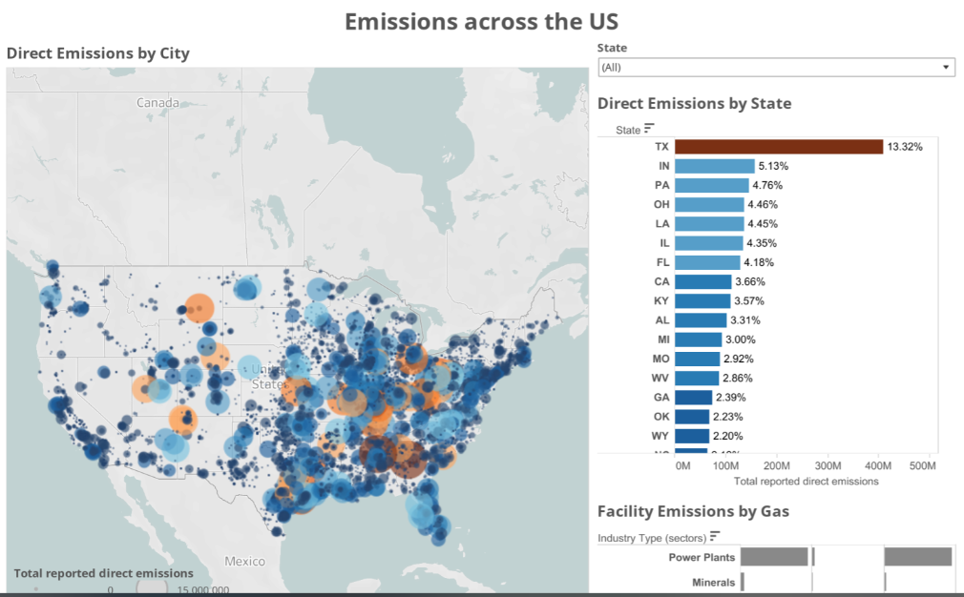
GHG distribution in the country and sectors emitting the most GHG gases (or CO2 gases) | GHG emissions per state (map) | GHG Distribution in the United States | Each circle will represent the facility with tooltip information on the Facility Name, City, State, Emission. It will also highlight the corresponding state with the state emission details and the Facility Type with a breakdown of gas emissions for that facility type |  | Waiting for data. Satya is working on it
 | GHG Emissions bar graph
 | Facility Emissions by Gas

What state and sector should the investor invest in?

What is Net Zero?
 | Renewable Energy Percent | Net Zero | The Renewable energy map has the percentage of renewable energy per country. Darker the blue, the more the use of Renewable energy. There is also a Year slider for year range.
 | Forest Area Percent |  | The Forest Are map has the percentage of forest area per country. Darker the green, the more the forest area. There is also a Year slider for year range.
 |  |  | I currently have a top 10 country filter on each to see if there are any countries with high Renewable Energy Use and high Forest Area. |  | The data I am using is not complete since data cleaning wasn't properly done. There should be more values in the final data

